Spec Header
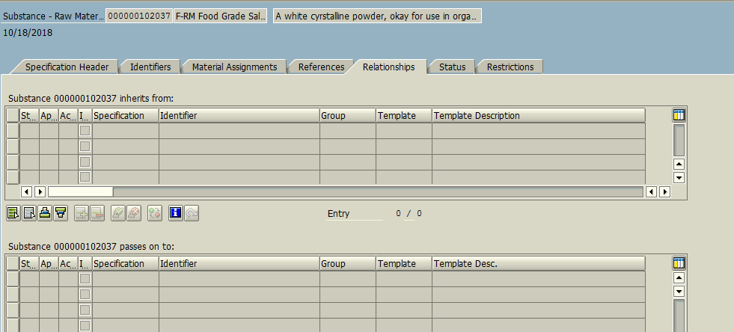
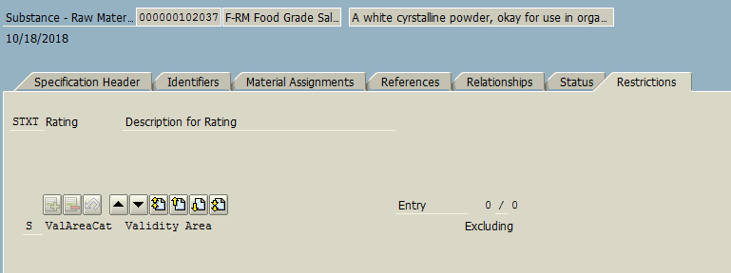
Header Tab with details

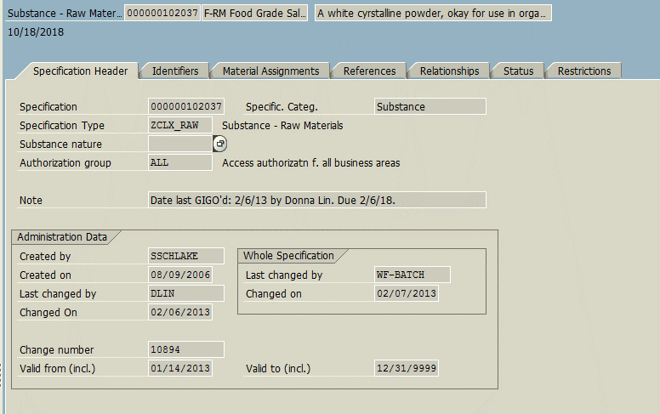
Specification Header
Specification Number
Specification Type
Specification category
Authorization Group
Note
Created by
Created On
Last changed by
Changed on
Changed on
Last changed by
Change Number
Valid from
Valid to

Identifiers
ID category
ID type
Sort
Identifier

Material Assignment
Material Number

References
Not Maintained

Relationships
Not Maintained

Status
Rating
validity area
Status
Valid from
Valid to
Change number

Restrictions
Not Maintained

